Sheet1
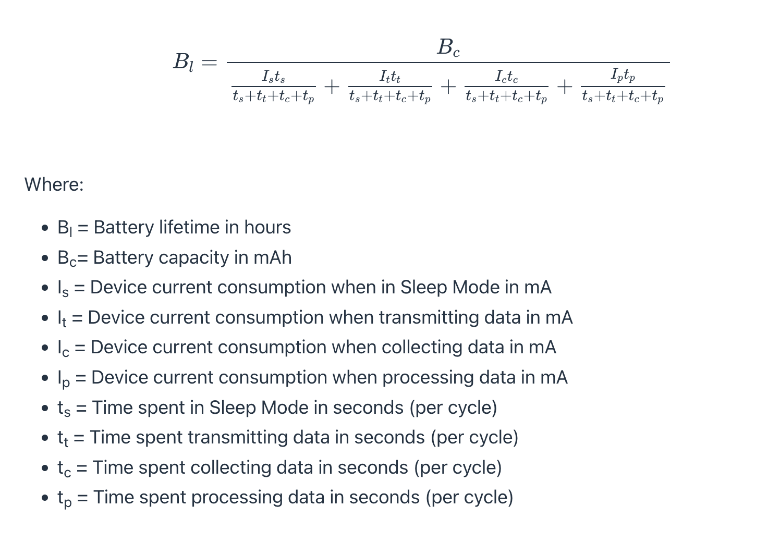
Start of Day | 9 | 9am
End of Day | 26 | Next day at 2am
Active Hours Per Day | 17
Percentage Enabled | 50%
Active Time | 8.5
LED On Time | 0.25
LED Off Time | 1.5
LED Duty Cycle | 14%
Number of LEDs | 12
Max Current Consumption | 300 | 25mA
Active LED Current | 42.9 | mA

Load Current
Battery Life
Necessary Battery Capacity

 |  | 345600

 |  | Per LED | 12
Idle | 2.2 | 0.275 | 3.3
Blinking | 20 | 2.5 | 30
Throbbing | 50 | 6.25 | 75
Deep Sleep | 0 | 0 | 0

For 12 LEDs | Deep Sleep | Idle | Blinking | Throbbing
Pico (mA) | 0 | 21 | 21 | 21
MAX30102 (mA) | 0 | 3.5 | 3.5 | 3.5
LED Array (mA) | 0 | 3.3 | 30 | 75
Total Current Draw (mA) | 0 | 27.8 | 54.5 | 99.5
Time in Mode (s) | 100224 | 193536 | 10368 | 41472
Time in Mode (%) | 29% | 56% | 3% | 12% | 100%
Component Calculations | 0.00 | 15.57 | 1.64 | 11.94

Batter Lifetime (h) | 96
Necessary Battery Capacity (mAh) | 2797.728

Anticipated Throbs | 34 | number
Throb Timeout | 10 | min
Throb Off Time | 3 | s
Throb On Time | 3 | s
Expected Throb On Time |  | s
Expected Throb Off Time |  | s

Throb Duty Cycle | 50% | %
Estimated Tinker Time | 5 | min
Average LED Duty Cycle | 20% | %
Estimated Tinker Delay | 30 | min
Tinker Duty Cycle | 14% | %

Estimated Tinker Delay | 30 | min
Number of Blinks | 136 | blinks
Number of Throbs | 136 | throbs
Blink On Time | 5 | min
Throb On Time | 10 | min |  | Active | Blink Duty Cycle | Blink On | Blink Idle
Blink Duty Cycle | 17% | % |  | 12% | 20% | 2% | 18%
Throb Duty Cycle | 33% | % |  | 24% | 50% | 12% | 38%
Idle Duty Cycle | 50% | % |  | 35% | 0% | 0% | 0%
Active On Time | 17 |  |  |  |  |  | 56%
Active Off Time | 7
Active Duty Cycle | 71% | %

